Page 1
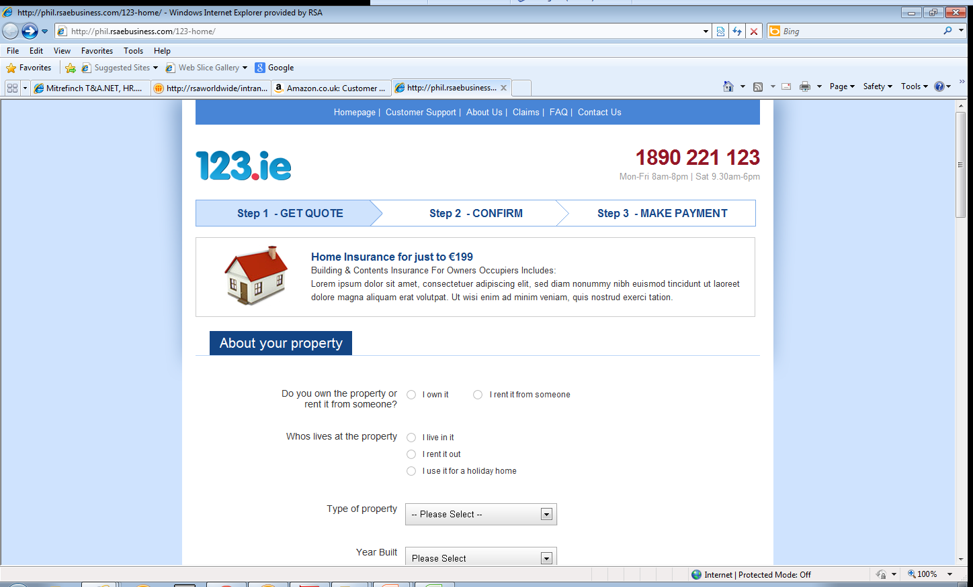

Key elements to include from Tesco/BOI motor design:
1. Header and Nav (houses)
2. Contact & Help (Call Back)
3. Doucment list at the bottom of the page (page one acceptance)
4. Name and Reg number, top right after first page
5. Assumption must apprear to all indipendantly (not on motor)
6. Premium breakdown. (quote, summary, payment)

Look at existing question from BOI

Dropdown list

New wording

move to

Add:
Bedrooms
Bathrooms
Joint owned
Mortgage
Unoccupied

Have you or any member of your household had any claims or material losses in the last 5 years. y/n

Add year

remove question, include in add on section

Add:
employment
Mobile #
Previous insurer

page 2
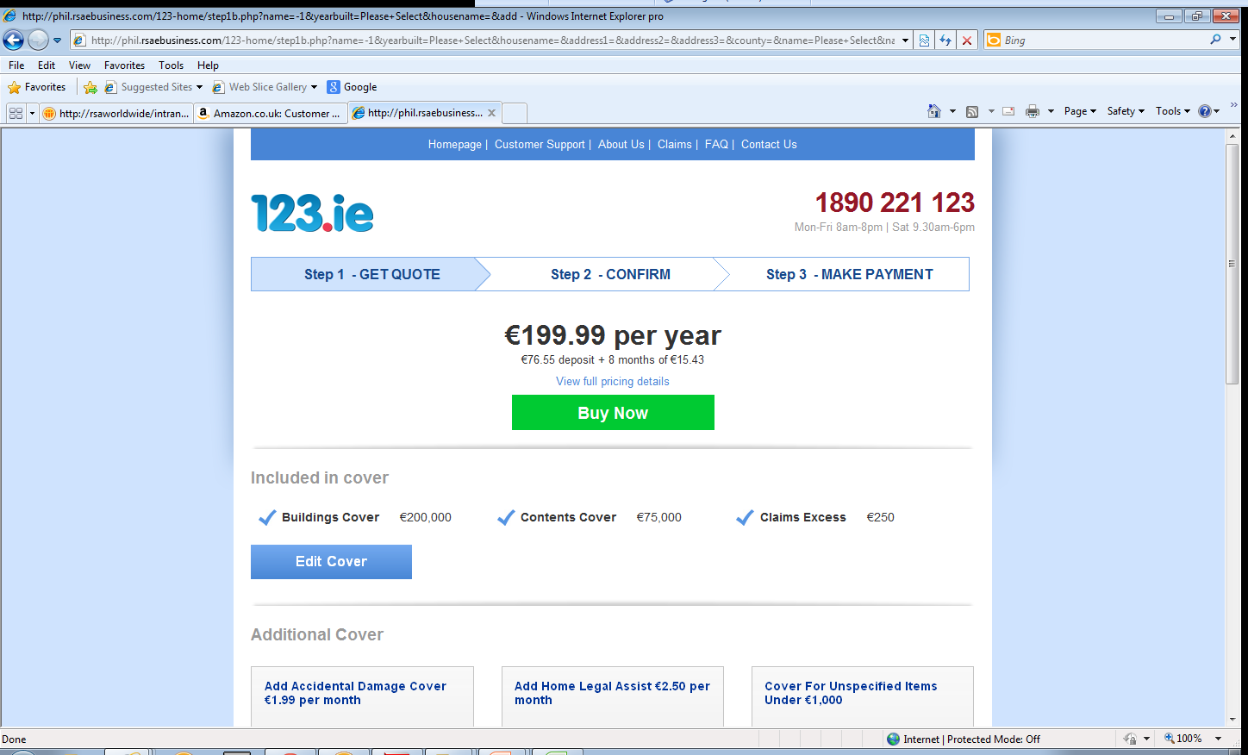
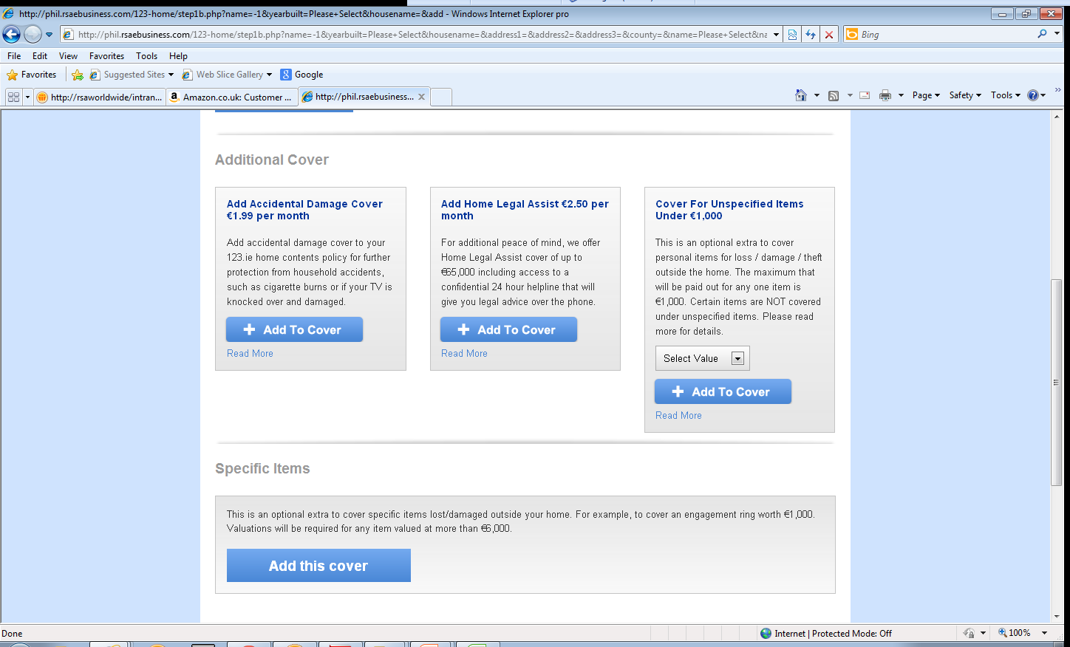

Name and ref #

remove
remove

remove

Add an update premium button

Page 3
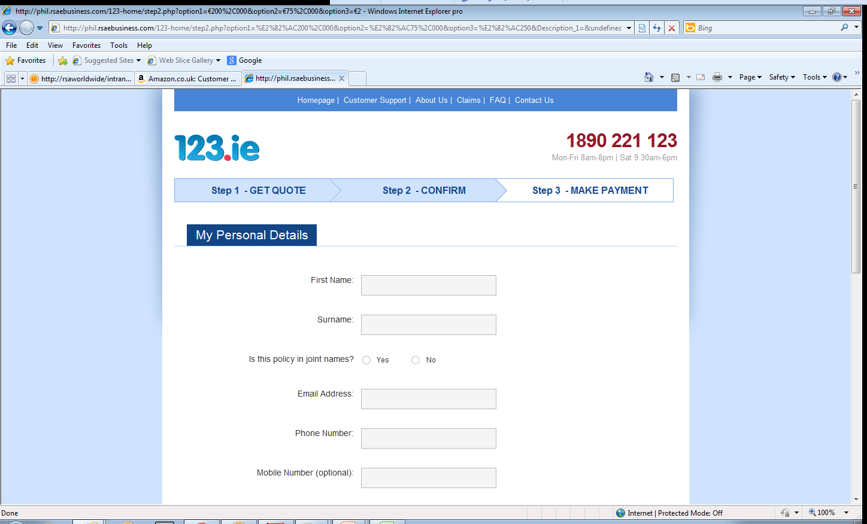

remove the page if possible

Page 4
cover details

remove

Page 5
